Sheet1
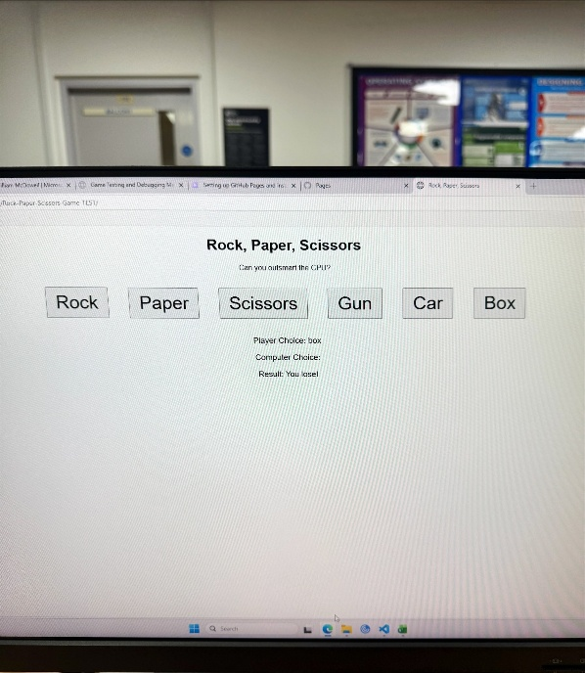
Gameplay Logic | UI Elements | Performance | Compatability | Accessability | Peer Feedback

Win/Loss | Rock Paper Scissors Buttons |  |  |  | The game allows users to play with a win loss draw system which is all in working order
 |  |  |  |  | An issue i have found is that cpu sometimes is blank
Rock-Paper-Scissors Triangle | Make the game look more detailed
Car-Gun-Box Triangle |  |  |  |  | Got given glove as a counter and lost but its not an option in game
 |  | Ensure everything performs smoothly |  |  | CPU chose nothing and I still lost
 |  |  |  |  | Doesn’t tell you what beats what before playing
 |  |  | The website is compatible with mobile devices.

 |  |  |  | The game can be used by anyone who has bad eyesight or colour blindness.
1 | anonymous | add few bit animation
2 | anonymous | Add Lives, More Difficulty, and make the game more rewarding
3 | anonymous | Explain how the extended part influences the original Rock, Paper, Scissors.
4 | anonymous | probably add an option select for the difficulty of the game
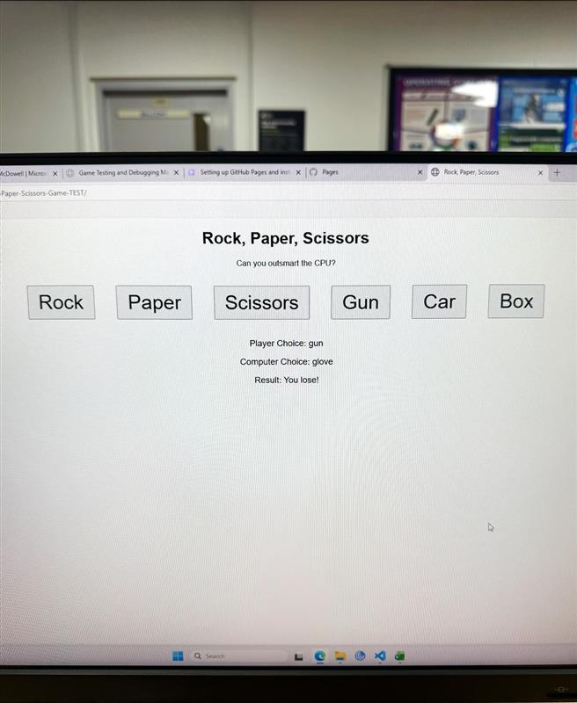
5 | anonymous | Better RNG
6 | anonymous | improve the ui
7 | anonymous | The style leaves a lot to be desired, unfortunately.

